Sheet1
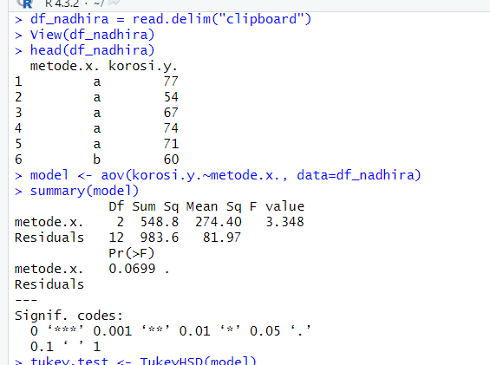
Metode A | 77 | 54 | 67 | 74 | 71 | metode(x) | korosi(y)
Metode B | 60 | 41 | 59 | 65 | 62 | a | 77
Metode C | 49 | 52 | 69 | 47 | 56 | a | 54
 |  |  |  |  |  | a | 67
 |  |  |  |  |  | a | 74
 | Metode A | Metode B | Metode C |  |  | a | 71
 | 77 | 60 | 49 |  |  | b | 60
 | 54 | 41 | 52 |  |  | b | 41
 | 67 | 59 | 69 |  |  | b | 59
 | 74 | 65 | 47 |  |  | b | 65
 | 71 | 62 | 56 |  |  | b | 62
mean | 68.6 | 57.4 | 54.6 | 60.2 |  | c | 49
variance | 80.3 | 89.3 | 76.3 |  |  | c | 52
 |  |  |  |  |  | c | 69
 | SSTR | 548.8 |  | SSE | 983.6 | c | 47
 | MSTR | 274.4 |  | MSE | 81.96666667 | c | 56
 | F | 3.348

Nama : Nadhira Aninidta Ralena

